Dengue Treatment Costs Countrie
 | IN_Ref 1 | Direct cost of illness for dengue in hospitalized children and adults at a referral hospital in India - ScienceDirect
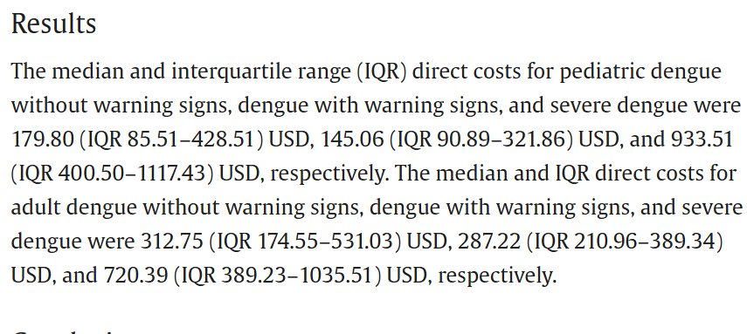

 |  |  |  | DMC Costs in India Reported for Year 2018 |  |  | DMC in 2025 |  | References | DMC | DNMC | IC
 |  |  |  |  | W/o Warning Signs | With Warning Signs |  |  | IN_Ref 1 | 297.29
 |  |  |  | Pediatric Cases | 179.8 | 145.06 |  |  | IN_Ref 2 | 124.18 | 69.64
 |  |  |  | Adult Case | 312.75 | 287.22 |  |  | IN_Ref_3 | 36.22 | 23.29 | 28.55
 |  |  |  | Average USD/Case | 231.2075 |  | 297.29 |  | IN_Ref_4 | 154.74 |  | 28.12
 |  |  |  |  |  |  |  |  | IN_Ref_5 | 168.90 |  | 48.64
 |  |  |  |  |  |  |  |  | IN_Ref_6 | 313.16
 |  |  |  |  |  |  |  |  | IN_Ref_7 |  |  | 25.7
 |  |  |  |  |  |  |  |  | Avg Cost (USD) | 182.415 | 46.465 | 32.7525
 |  | Cost analysis of dengue from a State in south India - PubMed |  |  |  |  |  |  | Total ADTC in India |  |  | 262
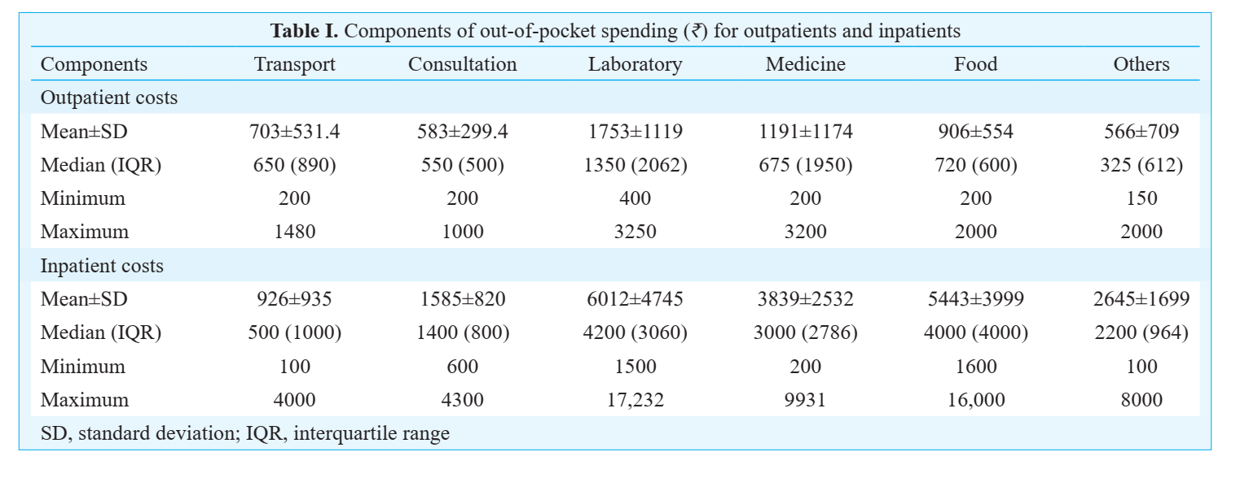
 |  |  |  | Dengue Costs Reported for Year 2016
 | IN_Ref 2 |  |  | Cost | INR | USD | In 2025
 |  |  |  | DMC | 10800.00 | 124.18 | 167.15
 |  |  |  | DNMC | 4500.00 | 51.74 | 69.64
 |  |  |  | DMC = Lab + Consultation + Medicine + Others; DNMC = Food + Transport

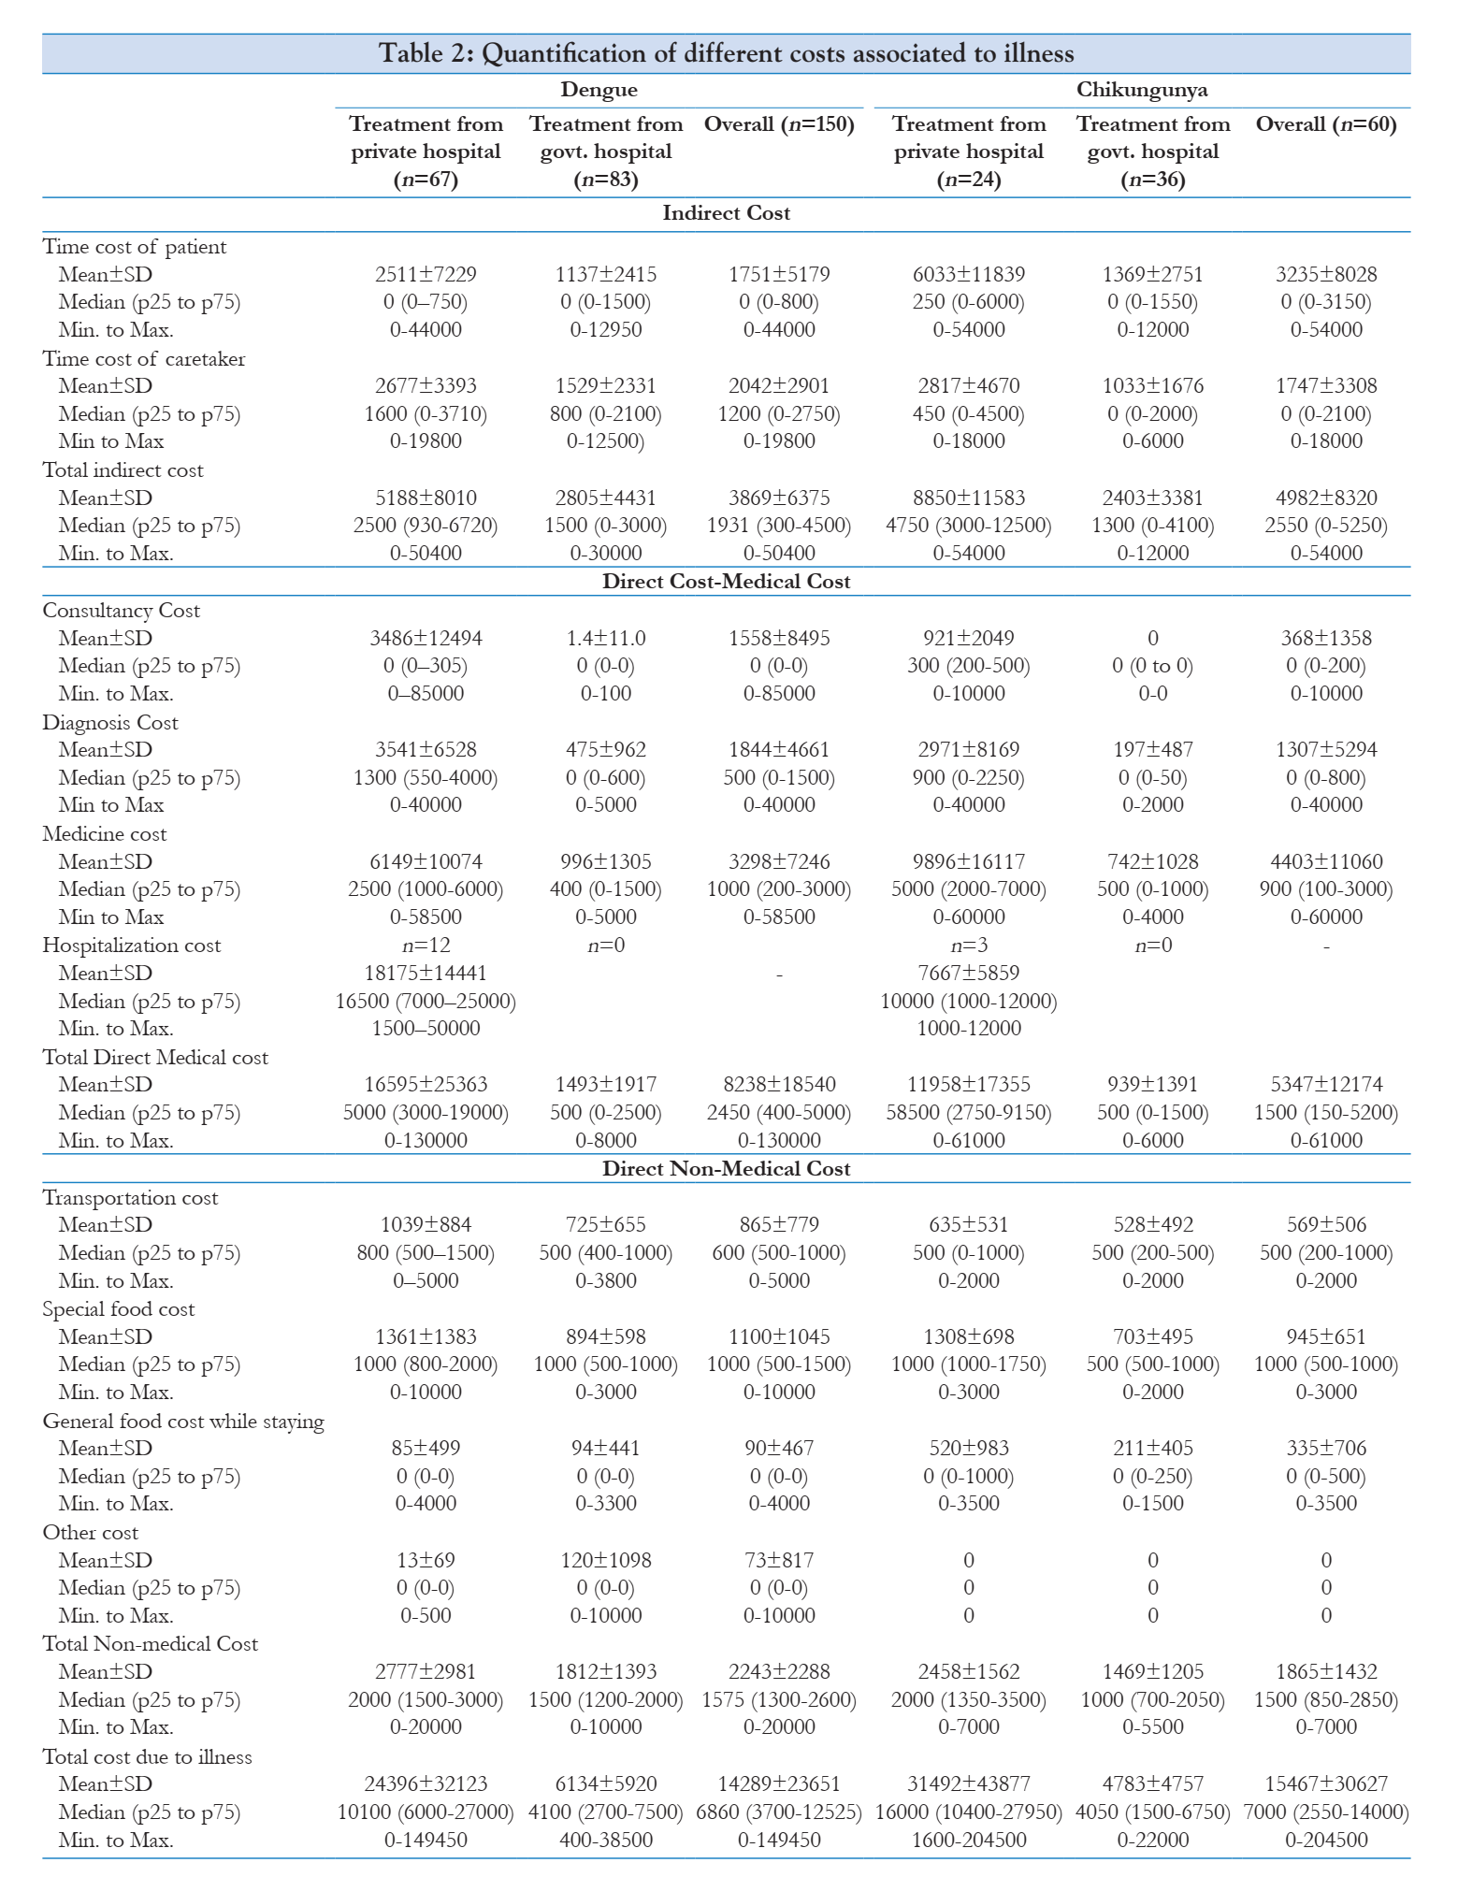
 | IN_Ref3 | Economic burden estimation associated with dengue and chikungunya in Gujarat, India - PMC

 |  |  |  | Dengue Costs Reported for Year 2018
 |  |  |  | Cost | INR | USD | In 2025
 |  |  |  | DMC | 2450.00 | 28.17 | 36.22
 |  |  |  | DNMC | 1575.00 | 18.11 | 23.29
 |  |  |  | IC | 1931.00 | 22.20 | 28.55

 | IN_Ref4 | jp-journals-10045-0040

 |  |  |  | Dengue Costs Reported for Year 2015
 |  |  |  | Cost | INR | USD | In 2025
 |  |  |  | DMC | 9874.00 | 113.53 | 154.74
 |  |  |  | IC | 1794.00 | 20.63 | 28.12

 | IN_Ref5 | Dengue Bulleting No 34.indb
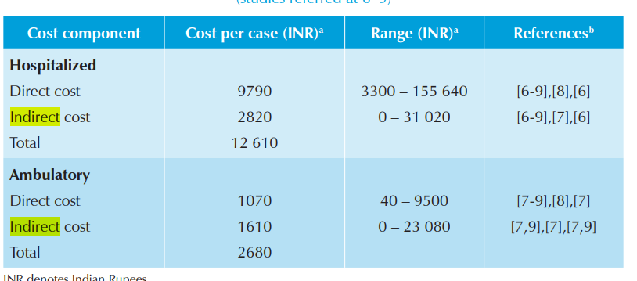

 |  |  |  | Dengue Costs Reported for Year 2015
 |  |  |  | Cost | INR | USD | In 2025
 |  |  |  | DMC | 9790.00 | 112.57 | 168.90
 |  |  |  | IC | 32.42 | 20.63 | 48.64

 |  | Economic and Disease Burden of Dengue Illness in India - PMC
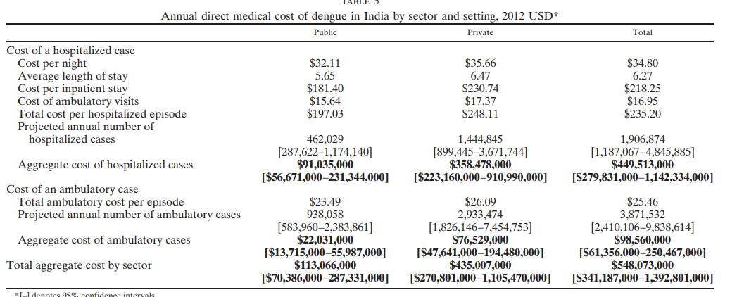
 | IN_Ref6 |  |  | Dengue Costs (USD) Reported in 2012 |  | In 2025
 |  |  |  | DMC
 |  |  |  | Public | 197.03
 |  |  |  | Private | 248.11
 |  |  |  | Average | 222.57 | 313.16

 | IN_Ref7 |  |  | IC in 2017 | IC in 2025
 |  |  |  | 19.5 | 25.7

 | TH_Ref1 | Household costs of hospitalized dengue illness in semi-rural Thailand | PLOS Neglected Tropical Diseases
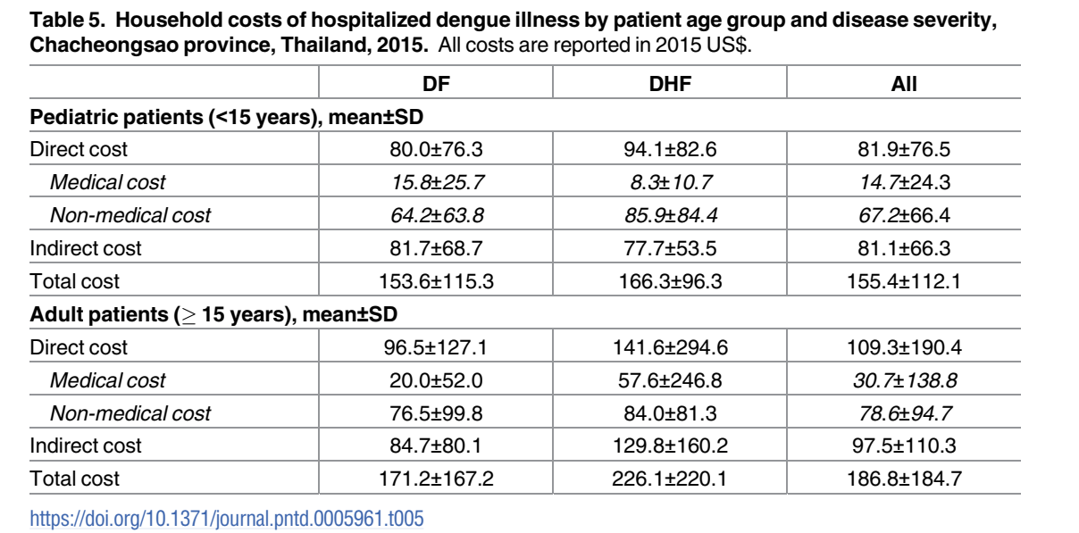

 |  |  |  | Dengue Costs Reported for Thailand in Year 2015 |  |  |  |  | References | DMC | DNMC | IC
 |  |  |  | Cost | USD | In 2025 |  |  | TH_Ref 1 | 24.40 | 95.89 | 113.40
 |  |  |  | DMC | 17.90 | 24.40 |  |  | TH_Ref 2 |  |  | 71.83
 |  |  |  | DNMC | 70.35 | 95.89 |  |  | Avg Cost (USD) | 24.40 | 95.89 | 92.615
 |  |  |  | IC | 83.20 | 113.40 |  |  | Total ADTC in India |  |  | 213.00
 |  |  |  | DMC, DNMC and IC taken as average of pediatric and adult cases

 |  |  | dengue-cost-article.pdf

 | TH_Ref2 |  |  | IC in 2017 | IC in 2025
 |  |  |  | 54.5 | 71.83

 | LK_Ref1 | TROPMED201179 110..116
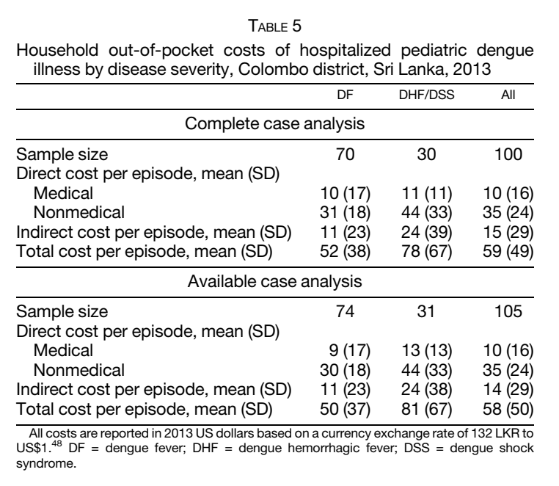

 |  |  |  | Dengue Costs Reported for Sri Lanka in Year 2013 |  |  |  | References | DMC | DNMC | IC
 |  |  |  | Cost | USD | In 2025 |  | LK_Ref 1 | 13.87 | 42.99 | 15.25
 |  |  |  | DMC | 10.00 | 13.87 |  | LK_Ref 2 | 58.88 |  | 38.67
 |  |  |  | DNMC | 31.00 | 42.99 |  | LK_Ref_3 |  |  | 67.48
 |  |  |  | IC | 11.00 | 15.25 |  | Avg Cost (USD) | 36.38 | 42.99 | 40.47
 |  |  |  |  |  |  |  | Total ADTC in India |  |  | 120.00

 | LK_Ref2 | dengue-cost-article.pdf
 |  |  |  | Dengue Costs Reported for Sri Lanka in Year 2018
 |  |  |  | Cost | USD | In 2025
 |  |  |  | DMC | 45.79 | 58.88
 |  |  |  | DNMC
 |  |  |  | IC | 30.07 | 38.67

 | LK_Ref3
 |  |  |  | IC in 2017 | IC in 2025
 |  |  |  | 51.2 | 67.48

 | BD_Ref1 | Economic burden of dengue in urban Bangladesh: A societal perspective | PLOS Neglected Tropical Diseases

 |  |  |  | Dengue Costs Reported for Bangladesh in Year 2020 |  |  |  | References | DMC | DNMC | IC
 |  |  |  | Cost | USD | In 2025 |  | BD_Ref 1 | 278.35 | 116.08 | 112.34
 |  |  |  | DMC | 223.00 | 278.35 |  | BD_Ref 2 | 426.32
 |  |  |  | DNMC | 93.00 | 116.08 |  | Avg Cost (USD) | 273.58 |  | 112.34
 |  |  |  | IC | 90.00 | 112.34 |  | Total ADTC in India |  |  | 386.00

 | BD_Ref2 | Research | BIDS

 |  |  |  | Dengue Costs Reported for Bangladesh in Year 2019
 |  |  |  | Cost | USD | In 2025
 |  |  |  | DMC | 337.39 | 426.32
 |  |  |  | DNMC
 |  |  |  | IC

 | VN_Ref1 | ptpmcrender.fcgi
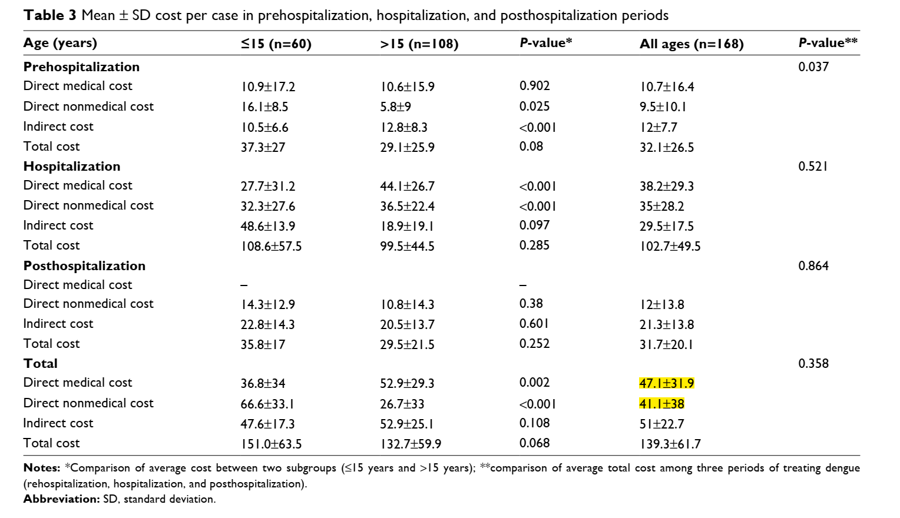

 |  |  |  | Dengue Costs Reported for Vietnam in Year 2016 |  |  |  | References | DMC | DNMC | IC
 |  |  |  | Cost | USD | In 2025 |  | VN_Ref 1 | 63.40 | 55.32 | 68.65
 |  |  |  | DMC | 47.10 | 63.40 |  | VN_Ref 2 | 65.66
 |  |  |  | DNMC | 41.10 | 55.32 |  | VN_Ref 3 | 65.82 | 88.57 | 84.53
 |  |  |  | IC | 51.00 | 68.65 |  | Avg Cost (USD) | 64.96 | 71.95 | 76.59
 |  |  |  |  |  |  |  | Total ADTC in India |  |  | 213.00

VNRef2 | 08mjms24032017_oa6.pdf |  |  | Dengue Costs Reported for Vietnam in Year 2015
 |  |  |  | Cost | USD | In 2025
 |  |  |  | DMC | 48.10 | 65.66
 |  |  |  | DNMC
 |  |  |  | IC

VNRef2 | ptpmcrender.fcgi
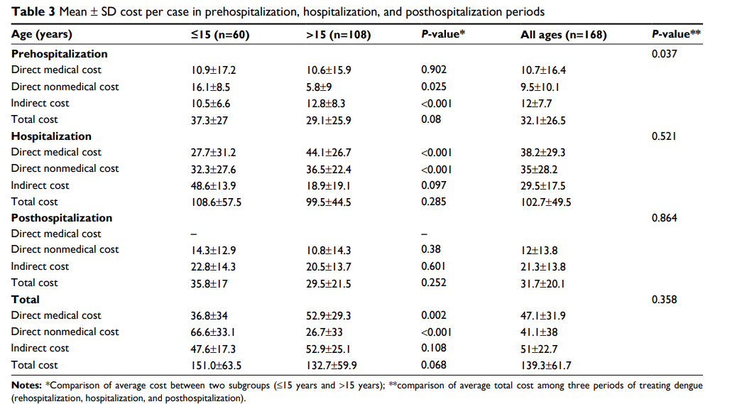

 |  |  |  | Dengue Costs Reported for Vietnam in Year 2016
 |  |  |  | Cost | USD | In 2025
 |  |  |  | DMC | 48.90 | 65.82
 |  |  |  | DNMC | 65.80 | 88.57
 |  |  |  | IC | 62.80 | 84.53

PHRef1 | Economic Cost and Burden of Dengue in the Philippines - PMC
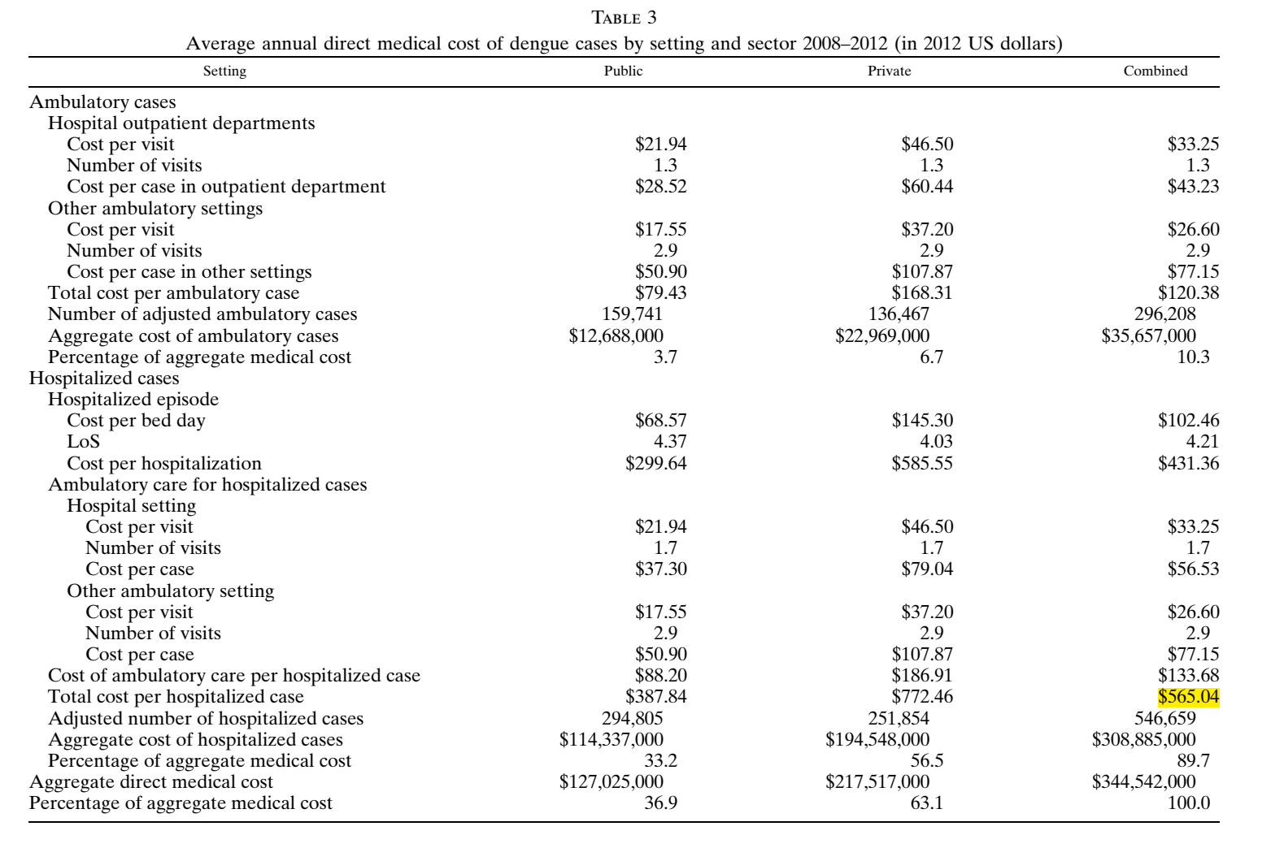

 |  |  |  | Dengue Costs Reported for Philippines in Year 2012 |  |  |  | References | DMC | DNMC | IC
 |  |  |  | Cost | USD | In 2025 |  | PH_Ref 1 | 604.23 | 105.33
 |  |  |  | DMC | 429.43 | 604.23 |  | PH_Ref 2 |  |  | 56.01
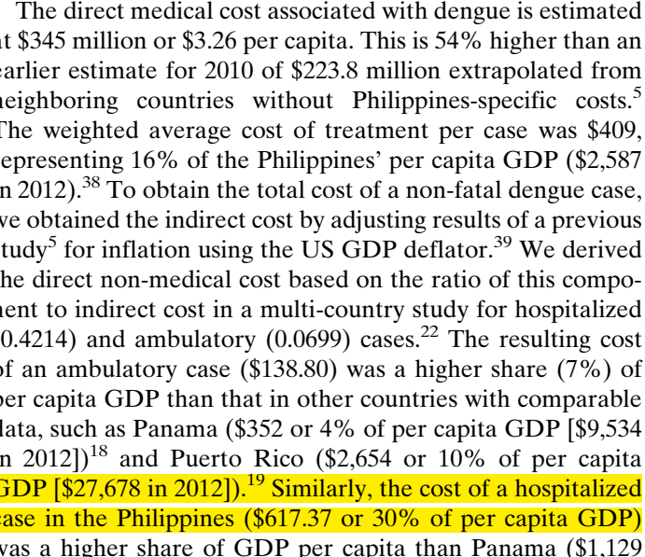
 |  |  |  | DNMC | 75.00 | 105.33 |  | Avg Cost (USD) | 604.23 | 105.33 | 56.01
 |  |  |  | IC |  |  |  | Total ADTC in India |  |  | 766.00
 |  |  |  | DMC costs 76% paid by patient DNMC Considered as 12% (value range from 5 to 20%)

Burden and direct medical cost of dengue in the Philippines | HERDIN

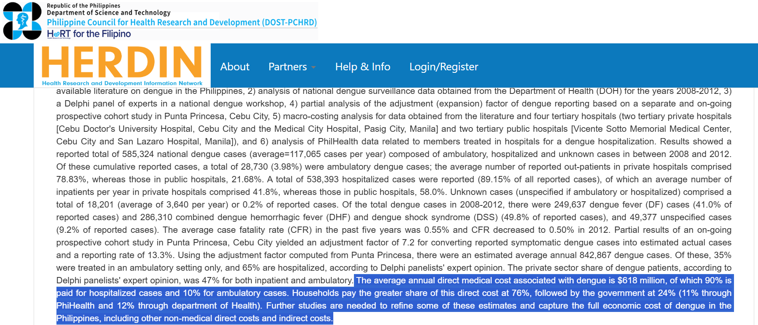

LK_Ref3
 |  |  |  | IC in 2017 | IC in 2025
 |  |  |  | 42.5 | 56.01

IDRef1 | Cost of Dengue Illness in Indonesia across Hospital, Ambulatory, and not Medically Attended Settings - PubMed

 |  |  |  |  | Dengue Costs Reported for Indonesia in Year 2017 |  |  |  | References | DMC | DNMC | IC
 |  |  |  |  | Cost | USD | In 2025 |  | ID_Ref 1 | 343.48 | 44.74 | 28.56
 |  |  |  |  | DMC | 260.62 | 343.48 |  | ID_Ref 2 | 238.47
 |  |  |  |  | DNMC | 33.95 | 44.74 |  | ID_Ref 3 |  |  | 61.72
 |  |  |  |  | IC | 21.67 | 28.56 |  | Avg Cost (USD) | 290.98 | 44.74 | 45.14
 |  |  |  |  |  |  |  |  | Total ADTC in India |  |  | 381.00

IDRef2 | Direct Medical Cost Analysis of Dengue Patients: A Retrospective Study | JURNAL FARMASI DAN ILMU KEFARMASIAN INDONESIA

 |  |  |  |  | Dengue Costs Reported for Indonesia in Year 2020
 |  |  |  |  | Cost | USD | In 2025
 |  |  |  |  | DMC | 191.05 | 238.47
 |  |  |  |  | DNMC
 |  |  |  |  | IC

IDRef2 |  |  |  |  | IC in 2017 | IC in 2025
 |  |  |  |  | 48 | 61.72

MMRef1 | Economic and Disease Burden of Dengue in Southeast Asia - PMC

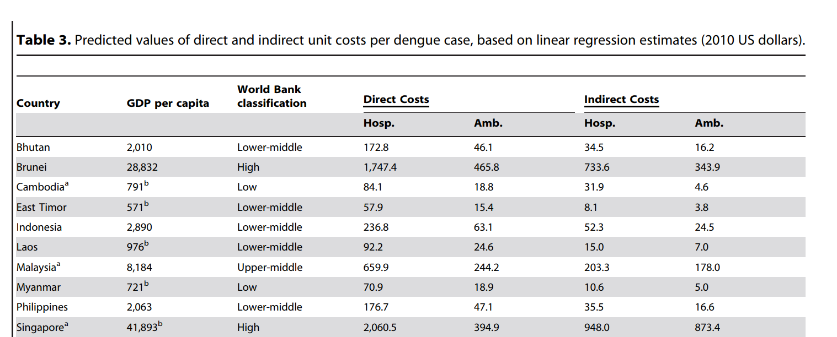

 |  |  |  |  | Dengue Costs Reported for Myanmar in Year 2010 |  |  |  | References | DMC | DNMC | IC
 |  |  |  |  | Cost | USD | In 2025 |  | MM_Ref 1 | 105.04 |  | 15.70
 |  |  |  |  | DMC | 70.90 | 105.04 |  | MM_Ref 2 |  |  | 15.68
 |  |  |  |  | DNMC |  |  |  | Avg Cost (USD) | 105.04 |  | 15.69
 |  |  |  |  | IC | 10.60 | 15.70 |  | Total ADTC in India |  |  | 121.00

MMRef2

 |  |  |  |  | IC in 2017 | IC in 2025
 |  |  |  |  | 11.9 | 15.68

SHC Summary_Ind.Deng-Season
Summary of SHC Results for Chennai (Warm and Humid Climate Zone)
ACC-Fan | 7
AEEC-Fan | 14
ACC-mc | 8
AEEC-mc | 245
ADTC | 524
$798
chn-fan+mc
ACC-Fan | 7
AEEC-Fan | 14
ACC-slr | 4
AEEC-slr | 3
ADTC | 524
$552
chn-fan+slr

 | 246
 | 0.32368421053

ACC | 126
AEEC | 283
ADTC | 0
$409
ldrz-chn-ugr
ACC | 79
AEEC | 143
ADTC | 0
ldrz-chn-igr
ACC | 91
AEEC | 28
ADTC | 0
ldrz-chn-uso

$222
$119

Summary of SHC Results for Ahmedabad (Hot and Dry) Climate Zone

ACC-Fan | 8
AEEC-Fan | 20
ACC-mc | 8
AEEC-mc | 245
ADTC | 524
amd-fan+mc
ACC-Fan | 8
AEEC-Fan | 20
ACC-slr | 4
AEEC-slr | 3
ADTC | 524
amd-fan+slr

$559
$805

ACC | 124
AEEC | 350
ADTC | 0
ldrz-amd-ugr
ACC | 81
AEEC | 186
ADTC | 0
ldrz-amd-igr
ACC | 86
AEEC | 26
ADTC | 0
ldrz-amd-uso

$267
$112
$474

Summary of SHC Results for Delhi (Composite) Climate Zone

ACC-Fan | 7
AEEC-Fan | 19
ACC-slr | 4
AEEC-slr | 4
ADTC | 524
del-fan+slr
ACC-Fan | 7
AEEC-Fan | 19
ACC-mc | 8
AEEC-mc | 245
ADTC | 524
del-fan+mc

$558
$803

ACC | 115
AEEC | 349
ADTC | 0
ldrz-del-ugr
ACC | 73
AEEC | 174
ADTC | 0
ldrz-del-ugr
ACC | 88
AEEC | 29
ADTC | 0
ldrz-del-ugr

$117
$464
$247

SHC for Chennai_Ind.Deng. Seas
 | ACC | EEC-GWP | EEC-PMFP | EEC-FDP | EEC-All Other Impacts | ADTC
 | 7.00 | 10.48 | 1.56 | 1.54 | 0.87
 | 4.00 | 2.19 | 0.38 | 0.34 | 0.23
 |  |  |  |  |  | 524.00
 | 7.00 | 10.48 | 1.56 | 1.54 | 0.87
 | 8.00 | 128.32 | 78.75 | 25.65 | 12.30
 |  |  |  |  |  | 524.00
 | 125.86 | 202.38 | 31.32 | 30.26 | 19.16
 | 78.71 | 101.20 | 16.47 | 15.16 | 9.73
 | 91.24 | 14.61 | 7.77 | 2.31 | 3.30

Graphs_Dengue Endemic Asia
 | ACC | EEC-GWP | EEC-PMFP | EEC-FDP | EEC-Other Impacts | ADTC
 | 313 | 603.79 | 90.25 | 90.18 | 56.56 | 0
 | 208 | 35.54 | 18.96 | 5.60 | 8.57 | 0
 | 288 | 507.59 | 76.13 | 75.82 | 47.60 | 262
 | 219 | 427.86 | 64.42 | 63.92 | 40.17 | 524
 | ACC | EEC-GWP | EEC-PMFP | EEC-FDP | EEC-Other Impacts | ADTC
 | 683 | 417.80 | 26.66 | 66.83 | 32.07 | 0
 | 401 | 38.75 | 20.68 | 6.11 | 9.38 | 0
 | 578 | 350.87 | 22.71 | 56.13 | 26.99 | 213
 | 491 | 295.44 | 19.43 | 47.26 | 22.79 | 426
SHC_{ldrz-TH-ugr}
SHC_{ldrz-TH-uso}
SHC_{mdrz-TH-ugr}
SHC_{hdrz-TH-ugr}

 | ACC | EEC-GWP | EEC-PMFP | EEC-FDP | EEC-Other Impacts | ADTC
 | 421 | 387.21 | 113.17 | 66.83 | 43.91 | 0
 | 203 | 41.52 | 22.16 | 6.11 | 10.08 | 0
 | 349 | 316.07 | 92.56 | 56.13 | 35.88 | 120
 | 290 | 257.59 | 75.62 | 47.26 | 29.28 | 240
 | ACC | EEC-GWP | EEC-PMFP | EEC-FDP | EEC-Other Impacts | ADTC
 | 282 | 395.21 | 56.70 | 70.66 | 29.52 | 0
 | 214 | 38.93 | 20.78 | 6.14 | 9.43 | 0
 | 239 | 326.91 | 47.19 | 58.44 | 24.49 | 386
 | 205 | 273.76 | 39.78 | 48.92 | 20.57 | 772
SHC_{ldrz-BD-ugr}
SHC_{ldrz-BD-uso}
SHC_{mdrz-BD-ugr}
SHC_{mdrz-BD-ugr}

 | ACC | EEC-GWP | EEC-PMFP | EEC-FDP | EEC-Other Impacts | ADTC
 | 875.00 | 481.67 | 106.95 | 62.42 | 55.51 | 0
 | 452.00 | 42.74 | 22.81 | 6.74 | 10.39 | 0
 | 723.00 | 395.80 | 88.11 | 51.31 | 45.65 | 766
 | 598.00 | 324.77 | 72.54 | 42.13 | 37.50 | 1532
SHC_{ldrz-PH-ugr}
SHC_{ldrz-PH-uso}
SHC_{mdrz-PH-ugr}
SHC_{hdrz-PH-ugr}

 | ACC | EEC-GWP | EEC-PMFP | EEC-FDP | EEC-Other Impacts | ADTC
 | 427 | 336.57 | 39.33 | 44.76 | 37.27 | 0
 | 270 | 44.71 | 23.86 | 7.04 | 10.88 | 0
 | 360 | 279.85 | 33.00 | 37.24 | 31.03 | 213
 | 304 | 232.95 | 27.76 | 31.02 | 25.87 | 426
SHC_{ldrz-VN-ugr}
SHC_{ldrz-VN-uso}
SHC_{mdrz-VN-ugr}
SHC_{hdrz-VN-ugr}

 | ACC | EEC-GWP | EEC-PMFP | EEC-FDP | EEC-Other Impacts | ADTC
 | 430.00 | 620.22 | 362.95 | 82.11 | 70.83 | 0
 | 311.00 | 43.87 | 23.42 | 6.91 | 10.67 | 0
 | 361.00 | 512.49 | 299.86 | 67.87 | 58.57 | 381
 | 303.00 | 422.56 | 247.19 | 55.98 | 48.33 | 762
SHC_{ldrz-ID-ugr}
SHC_{ldrz-ID-uso}
SHC_{mdrz-ID-ugr}
SHC_{hdrz-ID-ugr}
 | ACC | EEC-GWP | EEC-PMFP | EEC-FDP | EEC-Other Impacts | ADTC
 | 273.00 | 213.13 | 20.72 | 36.01 | 19.67 | 0
 | 203.00 | 40.93 | 21.84 | 6.45 | 9.93 | 0
 | 230.00 | 175.79 | 17.42 | 29.70 | 16.28 | 121
 | 196.00 | 145.51 | 14.74 | 24.58 | 13.53 | 242
SHC_{ldrz-MM-ugr}
SHC_{ldrz-MM-uso}
SHC_{mdrz-MM-ugr}
SHC_{hdrz-MM-ugr}

